Schematics
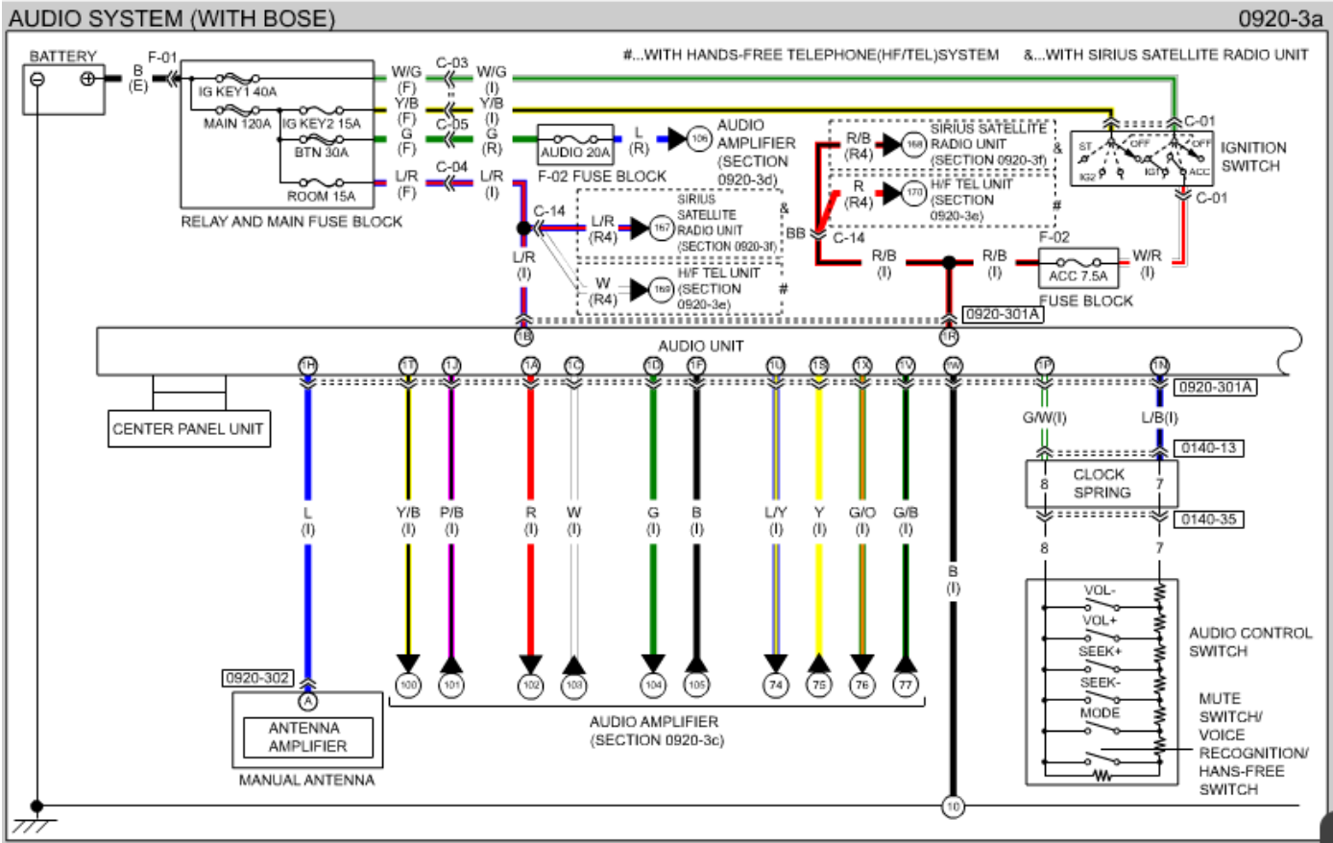
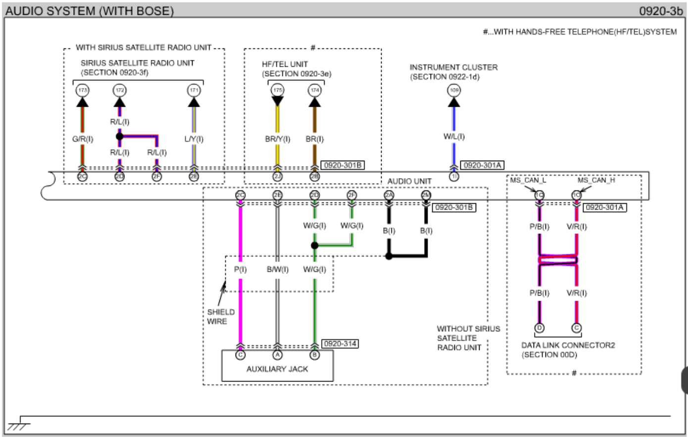

 |  | 2006/2007 WIRING DIAGRAM BOSE - p72 |  |  |  |  |  |  |  |  |  |  |  |  |  |  |  |  |  |  |  |  |  |  |  |  |  |  |  |  | 2006/2007 WIRING DIAGRAM BOSE - p74
 |  | e:\books\car\mazda mx-5\factory service manuals - 1991 to 2009\Mazda-Miata-2006-2007\wiring.pdf |  |  |  |  |  |  |  |  |  |  |  |  |  |  |  |  |  |  |  |  |  |  |  |  |  |  |  |  | e:\books\car\mazda mx-5\factory service manuals - 1991 to 2009\Mazda-Miata-2006-2007\wiring.pdf
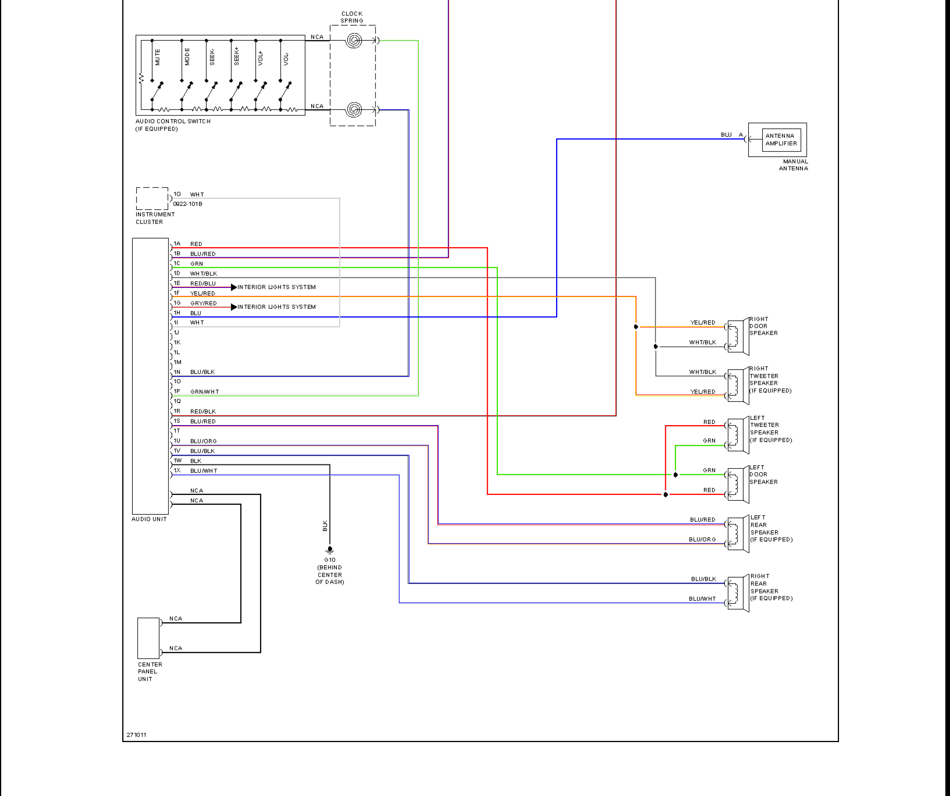

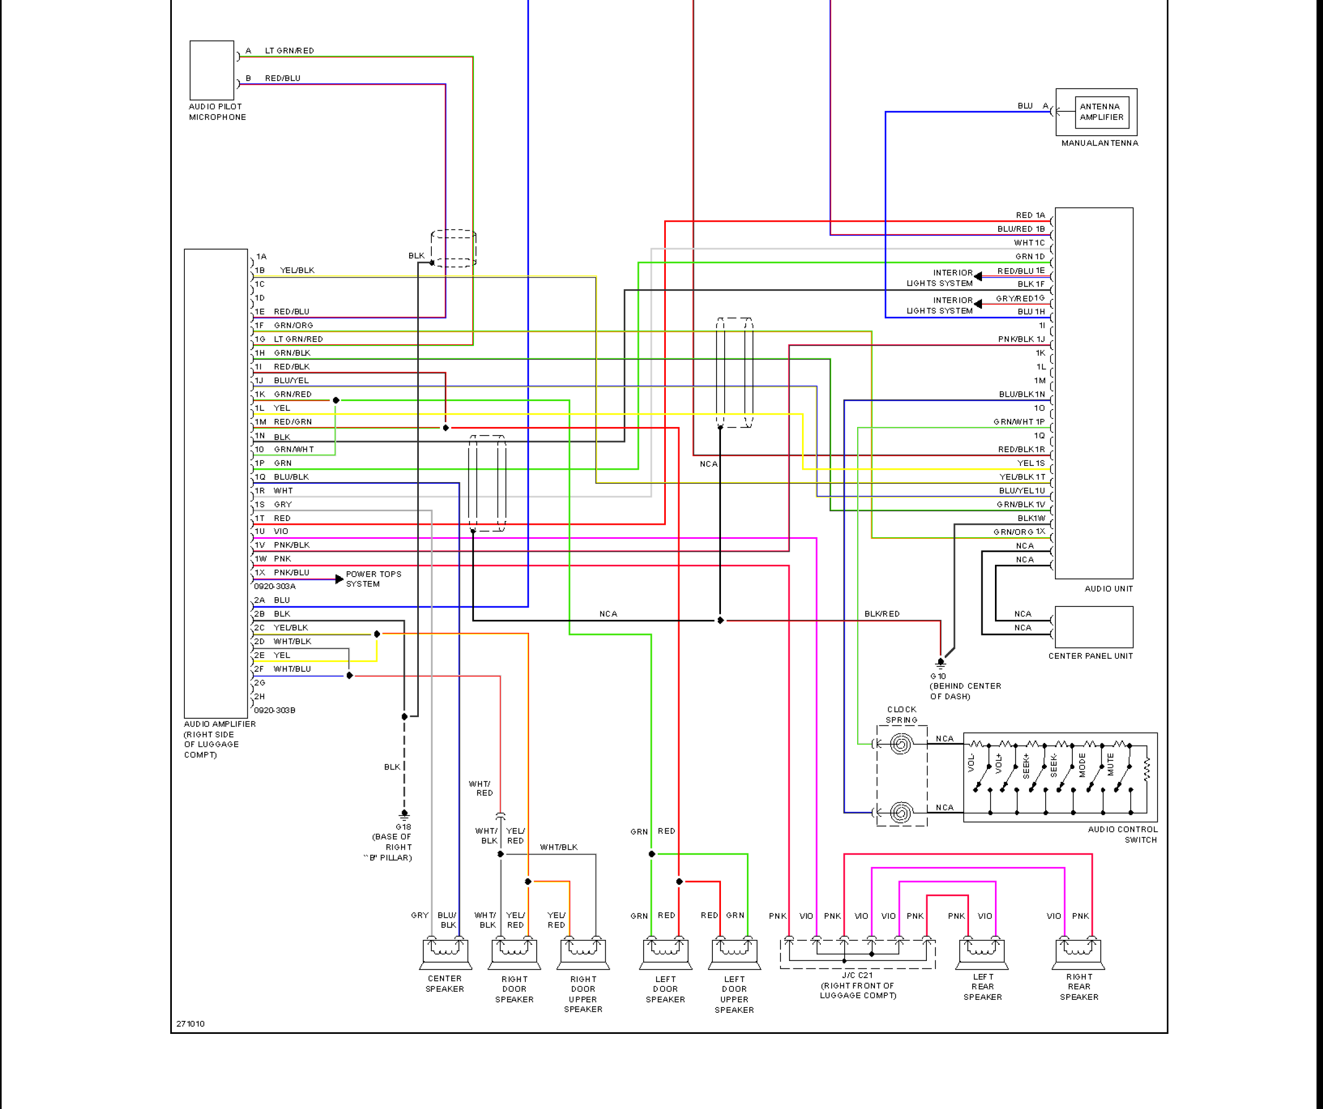

 |  |  |  |  |  |  |  |  |  |  |  |  |  |  |  |  |  |  |  |  |  |  |  |  |  |  | BOSE |  |  | NON-BOSE

 |  |  |  |  |  |  |  |  |  |  |  |  |  |  |  |  |  |  |  |  |  |  |  |  |  |  | TXT COLORS AS PER MAZDA
 |  |  |  |  |  |  |  |  |  |  |  |  |  |  |  |  |  |  |  |  |  |  |  |  |  |  | COLORED BOXES AS PER ACV CABLES

 |  |  |  |  |  |  |  |  |  |  |  |  |  |  |  |  |  |  |  |  |  |  |  |  |  |  | 1A - RED - spkr left
 |  |  |  |  |  |  |  |  |  |  |  |  |  |  |  |  |  |  |  |  |  |  |  |  |  |  | 1B - BLU/RED - power backup
 |  |  |  |  |  |  |  |  |  |  |  |  |  |  |  |  |  |  |  |  |  |  |  |  |  |  | 1C - GRN - spkr left
 |  |  |  |  |  |  |  |  |  |  |  |  |  |  |  |  |  |  |  |  |  |  |  |  |  |  | 1D - BLK - spkr right
 |  |  |  |  |  |  |  |  |  |  |  |  |  |  |  |  |  |  |  |  |  |  |  |  |  |  | 1E - RED/BLU - interior lights
 |  |  |  |  |  |  |  |  |  |  |  |  |  |  |  |  |  |  |  |  |  |  |  |  |  |  | 1F - YEL/RED - spkr right
 |  |  |  |  |  |  |  |  |  |  |  |  |  |  |  |  |  |  |  |  |  |  |  |  |  |  | 1G GRY/RED - interior lights
 |  |  |  |  |  |  |  |  |  |  |  |  |  |  |  |  |  |  |  |  |  |  |  |  |  |  | 1H - BLU - antenna amplifier
 |  |  |  |  |  |  |  |  |  |  |  |  |  |  |  |  |  |  |  |  |  |  |  |  |  |  | 1I - vehicle speed pulse (?) |  |  | 1I - WHT - instr.cluster
 |  |  |  |  |  |  |  |  |  |  |  |  |  |  |  |  |  |  |  |  |  |  |  |  |  |  | 1J - PNK/BLK - amp control
 |  |  |  |  |  |  |  |  |  |  |  |  |  |  |  |  |  |  |  |  |  |  |  |  |  |  | 1K - UART1 - reverse gear (?)

 |  |  |  |  |  |  |  |  |  |  |  |  |  |  |  |  |  |  |  |  |  |  |  |  |  |  | 1M - UART2 - parking lever (?)
 |  |  |  |  |  |  |  |  |  |  |  |  |  |  |  |  |  |  |  |  |  |  |  |  |  |  | 1N - BLU/BLK - swc common

 |  |  |  |  |  |  |  |  |  |  |  |  |  |  |  |  |  |  |  |  |  |  |  |  |  |  | 1P - GRN/WHT - swc key

 |  |  |  |  |  |  |  |  |  |  |  |  |  |  |  |  |  |  |  |  |  |  |  |  |  |  | 1S - YEL - spk rear left (?)
 |  |  |  |  |  |  |  |  |  |  |  |  |  |  |  |  |  |  |  |  |  |  |  |  |  |  | 1T - YEL/BLK - ?
 |  |  |  |  |  |  |  |  |  |  |  |  |  |  |  |  |  |  |  |  |  |  |  |  |  |  | 1U - BLU/YEL - spkr rear left (?)
 |  |  |  |  |  |  |  |  |  |  |  |  |  |  |  |  |  |  |  |  |  |  |  |  |  |  | 1V - GRN/BLK - spkr rear right (?)
 |  |  |  |  |  |  |  |  |  |  |  |  |  |  |  |  |  |  |  |  |  |  |  |  |  |  | 1W - BLK - earth
 |  |  |  |  |  |  |  |  |  |  |  |  |  |  |  |  |  |  |  |  |  |  |  |  |  |  | 1X - GRN/ORG - spkr rear right (?)

 |  |  |  |  |  |  |  |  |  |  |  |  |  |  |  |  |  |  |  |  |  |  |  |  |  |  | audio-in in center console (?)

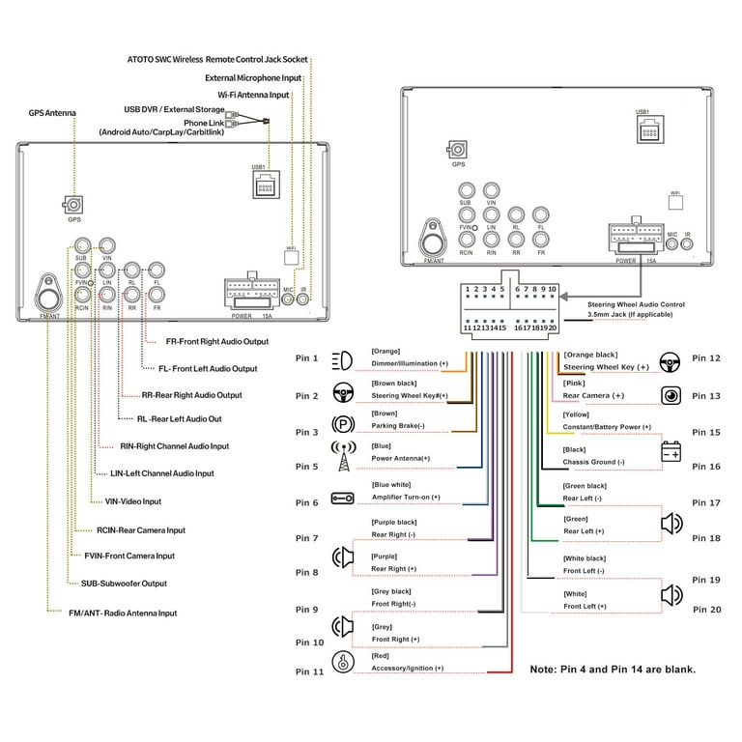
ATOTO S8 STANDARD GEN1 |  |  |  |  |  |  |  |  |  |  |  |  |  |  |  |  |  |  |  | MAZDA RADIO CONNECTOR |  |  |  |  |  |  |  |  |  |  |  |  |  |  |  |  | MAZDA RADIO CONNECTOR |  |  |  |  |  |  |  |  |  |  |  |  |  |  |  |  |  | DIFFERENT COLOR CODED CABLING ON A CONNECTOR
 |  |  |  |  |  |  |  |  |  |  |  |  |  |  |  |  |  |  |  | https://forum.miata.net/vb/showthread.php?t=724407 |  |  |  |  |  |  |  |  |  |  |  |  |  |  |  |  | https://drive.google.com/drive/folders/1mi8CjjBXWgsq4v1vzGaX2DYxcTIfmRd4 |  |  |  |  |  |  |  |  |  |  |  |  |  |  |  |  |  | https://www.mx5life.com/threads/android-head-unit-teyes-cc3-2k.51197/

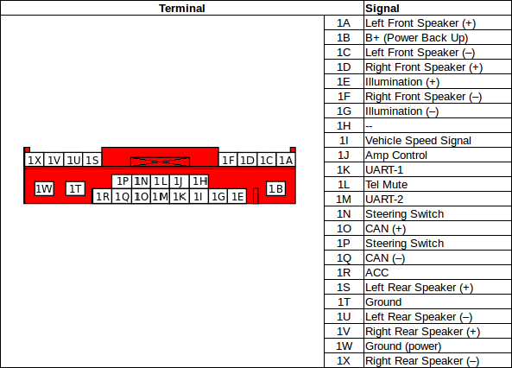
 |  |  |  |  |  |  |  |  |  |  |  |  |  |  |  |  |  |  |  |  |  |  |  |  |  |  |  |  | COLORS AS USED IN ACV ADAPTER CABLES
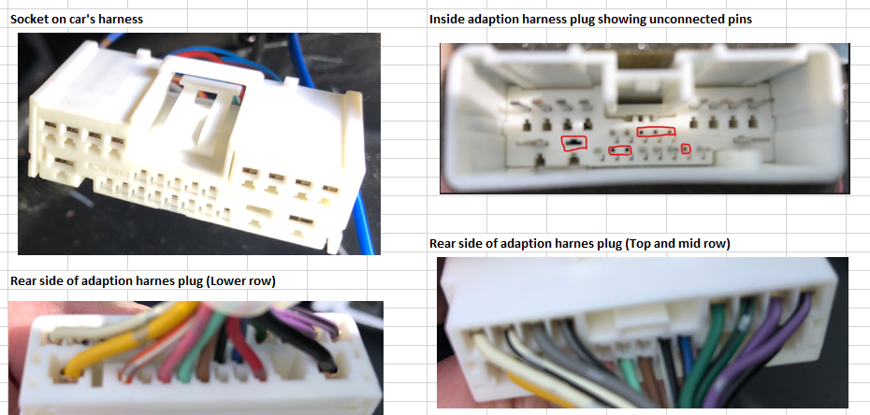
 |  |  |  |  |  |  |  |  |  |  |  |  |  |  |  |  |  |  |  |  |  |  |  |  |  |  |  |  | WHI
 |  |  |  |  |  |  |  |  |  |  |  |  |  |  |  |  |  |  |  |  |  |  |  |  |  |  |  |  | YEL
 |  |  |  |  |  |  |  |  |  |  |  |  |  |  |  |  |  |  |  |  |  |  |  |  |  |  |  |  | WHI/BLK
 |  |  |  |  |  |  |  |  |  |  |  |  |  |  |  |  |  |  |  |  |  |  |  |  |  |  |  |  | GRA
 |  |  |  |  |  |  |  |  |  |  |  |  |  |  |  |  |  |  |  |  |  |  |  |  |  |  |  |  | ORG
 |  |  |  |  |  |  |  |  |  |  |  |  |  |  |  |  |  |  |  |  |  |  |  |  |  |  |  |  | GRA/BLK
 |  |  |  |  |  |  |  |  |  |  |  |  |  |  |  |  |  |  |  |  |  |  |  |  |  |  |  |  | not used
 |  |  |  |  |  |  |  |  |  |  |  |  |  |  |  |  |  |  |  |  |  |  |  |  |  |  |  |  | BLU - antenna amplifier
 |  |  |  |  |  |  |  |  |  |  |  |  |  |  |  |  |  |  |  |  |  |  |  |  |  |  |  |  | PINK - speed pulse
 |  |  |  |  |  |  |  |  |  |  |  |  |  |  |  |  |  |  |  |  |  |  |  |  |  |  |  |  | GRA/BLK
 |  |  |  |  |  |  |  |  |  |  |  |  |  |  |  |  |  |  |  |  |  |  |  |  |  |  |  |  | PUR/WHI - reverse gear
 |  |  |  |  |  |  |  |  |  |  |  |  |  |  |  |  |  |  |  |  |  |  |  |  |  |  |  |  | not used
 |  |  |  |  |  |  |  |  |  |  |  |  |  |  |  |  |  |  |  |  |  |  |  |  |  |  |  |  | LGRN - parking brake
 |  |  |  |  |  |  |  |  |  |  |  |  |  |  |  |  |  |  |  |  |  |  |  |  |  |  |  |  | GRA
 |  |  |  |  |  |  |  |  |  |  |  |  |  |  |  |  |  |  |  |  |  |  |  |  |  |  |  |  | not used - is this the CAN bus?
 |  |  |  |  |  |  |  |  |  |  |  |  |  |  |  |  |  |  |  |  |  |  |  |  |  |  |  |  | WHI
 |  |  |  |  |  |  |  |  |  |  |  |  |  |  |  |  |  |  |  |  |  |  |  |  |  |  |  |  | not used
 |  |  |  |  |  |  |  |  |  |  |  |  |  |  |  |  |  |  |  |  |  |  |  |  |  |  |  |  | RED
 |  |  |  |  |  |  |  |  |  |  |  |  |  |  |  |  |  |  |  |  |  |  |  |  |  |  |  |  | GRN
 |  |  |  |  |  |  |  |  |  |  |  |  |  |  |  |  |  |  |  |  |  |  |  |  |  |  |  |  | not used
 |  |  |  |  |  |  |  |  |  |  |  |  |  |  |  |  |  |  |  |  |  |  |  |  |  |  |  |  | GRN/BLK
 |  |  |  |  |  |  |  |  |  |  |  |  |  |  |  |  |  |  |  |  |  |  |  |  |  |  |  |  | PUR
 |  |  |  |  |  |  |  |  |  |  |  |  |  |  |  |  |  |  |  |  |  |  |  |  |  |  |  |  | BLK
 |  |  |  |  |  |  |  |  |  |  |  |  |  |  |  |  |  |  |  |  |  |  |  |  |  |  |  |  | PUR/BLK |  |  |  |  |  |  |  |  |  |  |  |  |  |  |  |  |  |  |  |  |  |  |  |  |  |  |  | 1E | 1I | 1K |  | 1M

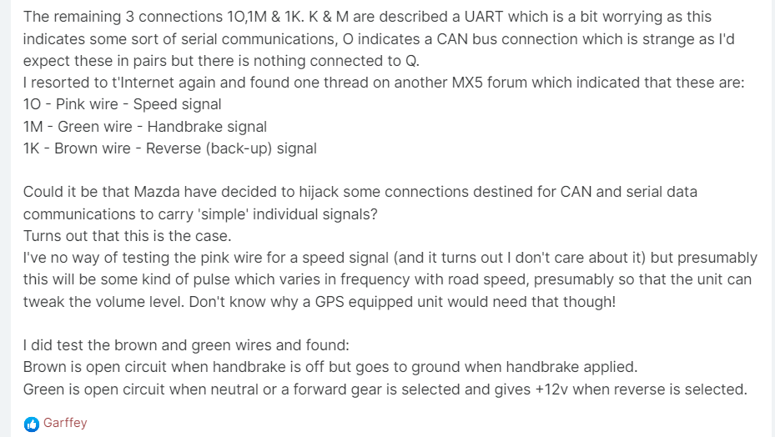
 |  |  |  |  |  |  |  |  |  |  |  |  |  |  |  |  |  |  |  | FRONT VIEW MAZDA CONNECTOR |  |  |  |  |  |  |  |  | SIGNAL DIRECTION FROM VIEWPOINT OF RADIO |  |  |  |  |  |  |  |  |  |  |  |  |  |  |  |  |  |  |  |  |  |  |  |  |  |  |  |  |  |  | reverse | handbrake
 |  |  |  |  |  |  |  |  |  |  |  |  |  |  |  |  |  |  |  | MALE - TO BE PLUGGED INTO CAR CABLING
 |  |  |  |  |  |  |  |  |  |  |  |  |  |  |  |  |  |  |  |  |  |  |  |  |  |  |  |  | INTO RADIO |  |  |  |  | OUT OF RADIO
 |  |  |  |  |  |  |  |  |  |  |  |  |  |  |  |  |  |  |  | NOTES
 |  |  |  |  |  |  |  |  |  |  |  |  |  |  |  |  |  |  |  | 1. AVC cable set documentation suggests UART1 and UART2 are actually reverse gear and parking brake

 |  |  |  |  |  |  |  |  |  |  |  |  |  |  |  |  |  |  |  |  |  |  |  |  |  |  |  | AVC CABLE SET DOCUMENTATION - USAGE OF 4 LOOSE WIRES

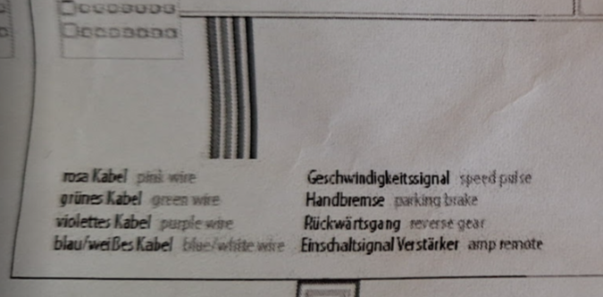
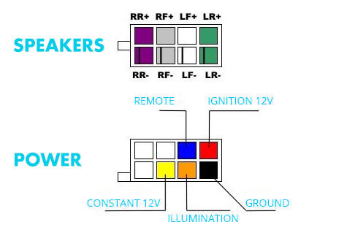
 |  |  |  |  |  |  |  |  |  |  |  |  |  |  |  |  |  |  |  |  |  |  |  |  |  |  |  |  |  |  |  |  |  |  |  |  |  |  |  |  |  | 1I - PNK - speed pulse
 |  |  |  |  |  |  |  |  |  |  |  |  |  |  |  |  |  |  |  |  |  |  |  |  |  |  |  |  |  |  |  |  |  |  |  |  |  |  |  |  |  | 1M - LGRN - parking brake
 | DIN/ISO PIN USAGE |  |  |  |  |  |  |  |  |  |  |  |  |  |  |  |  |  |  |  |  |  |  |  |  |  |  |  |  |  |  |  |  |  |  |  |  |  |  |  |  | 1K - PUR/WHI - reverse gear
 | https://www.sealtd.net/quattro/ishamresearch/quattro/wiring/Typ85/isopin.html |  |  |  |  |  |  |  |  |  |  |  |  |  |  |  |  |  |  |  |  |  |  |  |  |  |  |  |  |  |  |  |  |  |  |  |  |  |  |  |  | 1J - BLU/WHI - amp control

 | A |  |  | A1 - GALA - speed dependent volume control |  |  |  |  |  | B |  |  |  |  | B1 - rear right +
 |  |  |  | A2 - mute radio |  |  |  |  |  |  |  |  |  |  | B2 - rear right -
 |  |  |  | A3 - RFLS - reversing light |  |  |  |  |  |  |  |  |  |  | B3 - front right +
 |  |  |  | A4 - BATT - +12V - permanent voltage |  |  |  |  |  |  |  |  |  |  | B4 - front right -
 |  |  |  | A5 - to antenna / arial - 12 v output from the radio |  |  |  |  |  |  |  |  |  |  | B5 - front left +
 |  |  |  | A6 - illumination - 12v input to the radio when lights are on |  |  |  |  |  |  |  |  |  |  | B6 - front left -
 |  |  |  | A7 - acc - 12v input to the radio when ignition is on (typically engine is running) |  |  |  |  |  |  |  |  |  |  | B7 - rear left +
 |  |  |  | A8 - chassis ground |  |  |  |  |  |  |  |  |  |  | B8 - rear left -

 |  |  |  | FRONT VIEW ISO CONNECTOR |  |  |  |  |  |  | FRONT VIEW ISO CONNECTOR
 |  |  |  | MALE - TO BE PLUGGED INTO CAR CABLING |  |  |  |  |  |  | MALE - TO BE PLUGGED INTO CAR CABLING

ATOTO TO MAZDA USING ATOTO TO ISO ADAPTER AND ACV ISO TO MAZDA ADAPTER AND ACV SWC CONVERTER

 |  | ATOTO TO ISO CABLE AS PROVIDED BY ATOTO |  |  |  |  |  |  |  |  |  |  |  |  |  |  |  |  |  |  |  |  |  | AVC ISO TO MAZDA CABLE SET

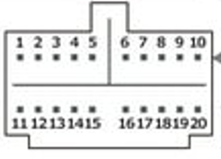
 |  |  |  |  | CONNECTOR ON ATOTO |  |  |  |  |  |  |  |  | ISO CONNECTOR |  |  |  |  |  |  | ISO CONNECTOR |  |  |  |  |  |  |  |  |  |  |  | ISO CONNECTOR |  |  |  |  |  |  |  |  |  |  |  |  |  | MAZDA CONNECTOR
 |  |  |  |  |  |  |  |  |  |  |  |  |  | ATOTO VARIANT B |  |  |  |  |  |  | ATOTO VARIANT A
 |  |  |  |  |  |  |  |  |  |  |  |  |  |  |  |  |  |  |  |  | PINS A4 AND A7 ARE SWAPPED

 |  |  |  |  |  |  |  |  |  |  |  |  |  | B |  |  |  |  |  |  |  |  |  |  |  |  |  |  |  |  |  |  | B

 |  |  |  |  |  |  |  |  |  |  |  |  |  | A |  |  |  |  |  |  | A |  |  |  |  |  |  |  |  |  |  |  | A

 |  |  |  |  |  | CONNECTOR INTO ATOTO RADIO, FEMALE |  |  |  |  |  |  |  | ISO CONNECTOR MALE FRONT VIEW |  |  |  |  |  |  | ACCORDING TO ATOTO VARIANT A |  |  |  |  |  |  |  |  |  |  |  | ISO CONNECTOR FEMALE BACK VIEW
 |  |  |  |  |  | FRONT VIEW |  |  |  |  |  |  |  | TO BE PLUGGED INTO CAR CABLE HARNAS |  |  |  |  |  |  | SHOULD BE THE DEFAULT OPTION |  |  |  |  |  |  |  |  |  |  |  | TO BE PLUGGED INTO RADIO
 |  |  |  |  |  | COLOR CODE AS USED ON ATOTO PROVIDED CABLES |  |  |  |  |  |  |  | COLOR CODE AS USED ON ATOTO PROVIDED |  |  |  |  |  |  | WHICH DOES APPEAR WRONG |  |  |  |  |  |  |  |  |  |  |  | COLOR CODE AS USED ON AVC PROVIDED CABLES
 |  |  |  |  |  |  |  |  |  |  |  |  |  | CABLES |  |  |  |  |  |  | (MISLABELED IN FACTORY?)

 |  |  |  |  |  |  |  |  |  |  |  |  |  | (DON'T MIX UP 'VARIANT A AND B' WITH 'ISO CONNECTOR A AND B', THEY ARE UNRELATED.)

 |  |  |  |  |  |  |  |  |  |  |  |  |  |  |  |  |  |  |  |  |  |  |  |  |  |  |  |  |  |  |  |  |  |  |  |  |  |  |  |  |  |  |  |  |  |  | FRONT VIEW MAZDA CONNECTOR
 |  |  |  |  |  |  |  |  |  |  |  |  |  |  |  |  |  |  |  |  |  |  |  |  |  |  |  |  |  |  |  |  |  |  |  |  |  |  |  |  |  |  |  |  |  |  | MALE - TO BE PLUGGED INTO CAR CABLING
 |  |  |  |  |  |  |  |  |  |  |  |  |  | ISO B |  |  |  |  |  |  |  |  |  |  | LEVEL ADAPTER FROM ACV KIT |  |  |  |  |  |  |  | ISO B

 |  |  |  |  |  | 7 | PUR/BLK | spkr rear right | - |  |  |  |  | PUR/BLK | B2 - rear right - |  |  |  |  |  |  |  |  |  |  |  |  |  |  |  |  |  | PUR/BLK |  | B2 - rear right - |  |  |  |  |  |  |  |  |  |  |  | PUR/BLK |  | 1X - rear right -
 |  |  |  |  |  | 8 | PUR | spkr rear right | + |  |  |  |  | PUR | B1 - rear right + |  |  |  |  |  |  |  |  |  |  |  |  |  |  |  |  |  | PUR |  | B1 - rear right + |  |  |  |  |  |  |  |  |  |  |  | PUR |  | 1V - rear right +
 |  |  |  |  |  | 9 | GRA/BLK | spkr front right | - |  |  |  |  | GRA/BLK | B4 - front right - |  |  |  |  |  |  |  |  |  |  |  |  |  |  |  |  |  | GRA/BLK |  | B4 - front right - |  |  |  |  |  |  |  |  |  |  |  | GRA/BLK |  | 1F - front right -
 |  |  |  |  |  | 10 | GRA | spkr front right | + |  |  |  |  | GRA | B3 - front right + |  |  |  |  |  |  |  |  |  |  |  |  |  |  |  |  |  | GRA |  | B3 - front right + |  |  |  |  |  |  |  |  |  |  |  | GRA |  | 1D - front right +

 |  |  |  |  |  | 17 | GRN/BLK | spkr rear left | - |  |  |  |  | GRN/BLK | B8 - rear left - |  |  |  |  |  |  |  |  |  |  |  |  |  |  |  |  |  | GRN/BLK |  | B8 - rear left - |  |  |  |  |  |  |  |  |  |  |  | GRN/BLK |  | 1U - rear left -
 |  |  |  |  |  | 18 | GRN | spkr rear left | + |  |  |  |  | GRN | B7 - rear left + |  |  |  |  |  |  |  |  |  |  |  |  |  |  |  |  |  | GRN |  | B7 - rear left + |  |  |  |  |  |  |  |  |  |  |  | GRN |  | 1S - rear left +
 |  |  |  |  |  | 19 | WHI/BLK | spkr rear right | - |  |  |  |  | WHI/BLK | B6 - front left - |  |  |  |  |  |  |  |  |  |  |  |  |  |  |  |  |  | WHI/BLK |  | B6 - front left - |  |  |  |  |  |  |  |  |  |  |  | WHI/BLK |  | 1C - front left -
 |  |  |  |  |  | 20 | WHI | spkr rear right | + |  |  |  |  | WHI | B5 - front left + |  |  |  |  |  |  |  |  |  |  |  |  |  |  |  |  |  | WHI |  | B5 - front left + |  |  |  |  |  |  |  |  |  |  |  | WHI |  | 1A - front left +

 |  |  |  |  |  |  |  |  |  |  |  |  |  | ISO A |  |  |  |  |  |  |  |  |  |  |  |  |  |  |  |  |  |  | ISO A

 |  |  |  |  |  | 1 | ORA | illumination | + |  |  |  |  | ORA | A6 - illumination - 12v input to the radio when lights are on |  |  |  |  |  |  |  |  |  |  |  |  |  |  |  |  |  | ORA |  | A6 - illumination |  |  |  |  |  |  |  |  |  |  |  | ORA |  | 1E - illumination (+)
 |  |  |  |  |  | 2 | BRWN/BLK | steering wheel key# | +
 |  |  |  |  |  | 3 | BRWN | parking brake | -
 |  |  |  |  |  | 4 | open | not in use
 |  |  |  |  |  | 5 | BLU | power antenna | + |  |  |  |  |  |  |  |  |  |  |  |  |  |  |  |  |  |  |  |  |  |  |  | BLU |  | A5 - antenna amplifier |  |  |  |  |  |  |  |  |  |  |  | BLU |  | 1H - antenna amplifier
 |  |  |  |  |  | 6 | BLU/WHI | amplifier on | +

 |  |  |  |  |  | 11 | RED | accessorie/ignition | + |  |  |  |  | RED | A7 - acc - 12v input to the radio when ignition is on (typically engine is running) |  |  |  |  |  |  |  |  |  |  |  |  |  |  |  |  |  | RED |  | A7 - acc - 12v |  |  |  |  |  |  |  |  |  |  |  | RED |  | 1R - accessories
 |  |  |  |  |  | 12 | ORA/BLK | steering wheel key | +
 |  |  |  |  |  | 13 | PNK | rear camera | +
 |  |  |  |  |  | 14 | open | not in use
 |  |  |  |  |  | 15 | YEL | constant battery | + |  |  |  |  | YEL | A4 - BATT - +12V - permanent voltage |  |  |  |  |  |  |  |  |  |  |  |  |  |  |  |  |  | YEL |  | A4 - BATT - +12V - constant battery |  |  |  |  |  |  |  |  |  |  |  | YEL |  | 1B - constant battery
 |  |  |  |  |  | 16 | BLK | chassis ground | - |  |  |  |  | BLK | A8 - chassis ground |  |  |  |  |  |  |  |  |  |  |  |  |  |  |  |  |  | BLK |  | A8 - chassis ground |  |  |  |  |  |  |  |  |  |  |  | BLK |  | 1W - ground / power

 |  |  |  |  | ATOTO RADIO

 |  |  |  |  |  |  |  |  |  |  |  |  |  | LOOSE LEADS - NOT CONNECTED TO ISO CONNECTOR |  |  |  |  |  |  |  |  |  |  |  |  |  |  |  |  |  |  | LOOSE LEADS - NOT CONNECTED TO ISO CONNECTOR

 |  | SIGNAL DIRECTION FROM VIEWPOINT OF RADIO
 |  |  |  |  |  |  |  |  |  |  |  |  |  | BRWN |  | parking brake |  | - |  |  |  |  |  |  |  | only connect if required |  |  |  |  |  |  | LGRN |  |  | 1M - parking brake |  |  |  |  |  |  |  |  |  |  | LGRN |  |  | 1M - parking brake
 |  |  | INTO RADIO | OUT OF RADIO |  |  |  |  |  |  |  |  |  |  |  |  |  |  |  |  |  |  |  |  |  |  |  |  |  |  |  |  |  |  |  |  |  |  |  |  |  |  |  |  |  |  |  |  |  | 1H - antenna amplifier
 |  |  |  |  |  |  |  |  |  |  |  |  |  | BLU/WHI |  | amplifier on |  | + |  |  |  |  |  |  |  |  |  |  |  |  |  |  | BLU/WHI |  |  | 1J - amplifier control |  |  |  |  |  |  |  |  |  |  | BLU/WHI |  |  | 1J - amplifier control

 |  |  |  |  |  |  |  |  |  |  |  |  |  | PNK |  | rear camera |  | + |  |  |  |  |  |  |  |  |  |  |  |  |  |  | PUR/WHI |  |  | 1K - reverse gear |  |  |  |  |  |  |  |  |  |  | PUR/WHI |  |  | 1K - reverse gear

 |  |  |  |  |  |  |  |  |  |  |  |  |  |  |  |  |  |  |  |  |  |  |  |  |  |  |  |  |  |  |  |  | PNK |  |  | 1I - vehicle speed signal |  |  |  |  |  |  |  |  |  |  | PNK |  |  | 1I - vehicle speed signal

 |  |  |  |  |  |  |  |  |  |  |  |  |  | BLU |  | power antenna |  | +

 |  |  |  |  |  |  |  |  |  |  |  |  |  |  |  |  |  |  |  |  |  |  |  |  |  |  |  |  |  |  |  |  |  |  |  |  |  |  |  |  |  |  |  |  |  |  | GRA |  |  | 1N - steering switch

 |  |  |  |  |  |  |  |  |  |  |  |  |  |  |  |  |  |  |  |  |  |  |  |  |  |  |  |  |  |  |  |  |  |  |  |  |  |  |  |  |  |  |  |  |  |  | WHI |  |  | 1P - steering switch
 |  |  |  |  |  |  |  |  |  |  |  |  |  | NOTES |  |  |  |  |  |  |  |  |  |  | signal from rear camera if installed

 |  |  |  |  |  |  |  |  |  |  |  |  |  | 1. AMPLIFIER ON NEEDS TO BE WIRED OUTSIDE ISO CONNECTORS

 |  |  |  |  |  |  |  |  |  |  |  |  |  | 2. DEFAULT ATOTO TO ISO HARNAS HAS NOT WIRED UP POWER TO
 |  |  |  |  |  |  |  |  |  |  |  |  |  | THE ANTENNA. THE ACV ISO TO MAZDA DOES HAVE IT WIRED. TWO |  |  |  |  |  |  |  |  |  |  |  |  |  |  |  |  |  |  |  |  |  |  |  |  |  |  |  |  |  |  |  |  | ACV STEERING WHEEL INTERFACE
 |  |  |  |  |  |  |  |  |  |  |  |  |  | SOLUTIONS: A. ADD A PIN TO THE ISO CONNECTOR ON THE ATOTO |  |  |  |  |  |  |  |  |  |  |  |  |  |  |  |  |  |  |  |  |  |  |  |  |  |  |  |  |  |  |  |  | ACV SY49 - STK457 - PART OF ACV 42SMZ012
 |  |  |  |  |  |  |  |  |  |  |  |  |  | SIDE, AND CONNECT IT TO POWER ANTENNA, OR B. DISCONNECT
 |  |  |  |  |  |  |  |  |  |  |  |  |  | THE PIN ON THE ACV CABLE AND CONNECT IT DIRECTLY.
 |  |  |  |  |  |  |  |  |  |  |  |  |  |  |  |  |  |  |  |  |  |  |  |  |  |  |  |  |  |  |  |  |  |  |  |  |  |  |  |  |  |  |  |  |  |  | 1 | YEL |  |  | constant battery (power)
 |  |  |  |  |  |  |  |  |  |  |  |  |  | 3. INPUT REAR CAMERA IS DELIVERED BY REAR CAMERA, NOT BY |  |  |  |  |  |  |  |  |  |  |  |  |  |  |  |  |  |  |  |  |  |  |  |  |  |  |  |  |  |  |  |  | 2
 |  |  |  |  |  |  |  |  |  |  |  |  |  | REVERSE GEAR INPUT FROM CAR CABLING |  |  |  |  |  |  |  |  |  |  |  |  |  |  |  |  |  |  |  |  |  |  |  |  |  |  |  |  |  |  |  |  | 3
 |  |  |  |  |  |  |  |  |  |  |  |  |  |  |  |  |  |  |  |  |  |  |  |  |  |  |  |  |  |  |  |  |  |  |  |  |  |  |  |  |  |  |  |  |  |  | 4 | WHI |  |  | steering switch R network
 |  |  |  |  |  |  |  |  |  |  |  |  |  |  |  |  |  |  |  |  |  |  |  |  |  |  |  |  |  |  |  |  |  |  |  |  |  |  |  |  |  |  |  |  |  |  | 5
 |  |  |  |  |  |  |  |  |  |  |  |  |  |  |  |  |  |  |  |  |  |  |  |  |  |  |  |  |  |  |  |  |  |  |  |  |  |  |  |  |  |  |  |  |  |  | 6 | GRA |  |  | steering switch R network
 |  |  |  |  |  |  |  |  |  |  |  |  |  |  |  |  |  |  |  |  |  |  |  |  |  |  |  |  |  |  |  |  |  |  |  |  |  |  |  |  |  |  |  |  |  |  | 7
 |  |  |  |  |  |  |  |  |  |  |  |  |  |  |  |  |  |  |  |  |  |  |  |  |  |  |  |  |  |  |  |  | LOOSE LEADS RELATED TO ACV SWC INTERFACE |  |  |  |  |  |  |  |  |  |  |  |  |  | 8 | BLA |  |  | ground (power)
 |  |  |  |  |  |  |  |  |  |  |  |  |  |  |  |  |  |  |  |  |  |  |  |  |  |  |  |  |  |  |  |  |  |  |  |  |  |  |  |  |  |  |  |  |  |  | 9
 |  |  |  |  |  |  |  |  |  |  |  |  |  |  |  |  |  |  |  |  |  |  |  |  |  |  |  |  |  |  |  |  |  |  |  |  |  |  |  |  |  |  |  |  |  |  | 10
 |  |  |  |  |  |  |  |  |  |  |  |  |  |  |  |  |  |  |  |  |  |  |  |  |  |  |  |  |  |  |  |  |  |  |  |  |  |  |  |  |  |  |  |  |  |  | 11
 |  |  |  |  |  |  |  |  |  |  |  |  |  |  |  |  |  |  |  |  |  |  |  |  |  |  |  |  |  |  |  |  |  |  |  |  |  |  |  |  |  |  |  |  |  |  | 12 |  |  |  |  |  |  |  |  | MOLEX VIEWED FROM REAR SIDE OF CABLE CONNECTOR / FRONT OF PCB
 |  |  |  |  |  |  |  |  |  |  |  |  |  |  |  |  |  |  |  |  |  |  |  |  |  |  |  |  |  |  |  |  |  |  |  |  |  |  |  |  |  |  |  |  |  |  | 13 | RED |  |  | accessoiries (power)
 |  |  |  |  |  |  |  |  |  |  |  |  |  |  |  |  |  |  |  |  |  |  |  |  |  |  |  |  |  |  |  |  |  |  |  |  |  |  |  |  |  |  |  |  |  |  | 14

 |  |  |  |  |  |  |  |  |  |  |  |  |  |  |  |  |  |  |  |  |  |  |  |  |  |  |  |  |  |  |  |  |  |  |  |  |  |  |  |  |  |  |  |  |  |  | 1
 |  |  |  |  |  |  |  |  |  |  |  |  |  |  |  |  |  |  |  |  |  |  |  |  |  |  |  |  |  |  |  |  |  |  |  |  |  |  |  |  |  |  |  |  |  |  | 2
 |  |  |  |  |  |  |  |  |  |  |  |  |  | BLK |  | steering wheel ground |  |  |  |  |  |  |  |  |  |  |  |  |  |  |  |  | BLK |  | GND |  |  |  |  |  |  |  |  |  |  |  | 3 | BLK |  |  | ground
 |  |  |  |  |  |  |  |  |  |  |  |  |  |  |  |  |  |  |  |  |  |  |  |  |  |  |  |  |  |  |  |  |  |  |  |  |  |  |  |  |  |  |  |  |  |  | 4 | PUR |  |  | coding (?)
 |  |  |  |  |  |  |  |  |  |  |  |  |  | STEERING WHEEL GROUND IS SPLICED FROM CHASSISD GROUND |  |  |  |  |  |  |  |  |  |  |  |  |  |  |  |  |  |  |  |  |  |  |  |  |  |  |  |  |  |  |  |  | 5 | GRN |  |  | coding (?)
 |  |  |  |  |  |  |  |  |  |  |  |  |  |  |  |  |  |  |  |  |  |  |  |  |  |  |  |  |  |  |  |  |  |  |  |  |  |  |  |  |  |  |  |  |  |  | 6 | ORG |  |  | coding (?)
 |  |  |  |  |  |  |  |  |  |  |  |  |  | BRWN/BLK |  | steering wheel key# |  | + |  |  |  |  |  |  |  |  |  |  |  |  |  |  |  |  |  |  |  |  |  |  |  |  |  |  |  |  | 7
 |  |  |  |  |  |  |  |  |  |  |  |  |  |  |  |  |  |  |  |  |  |  |  |  |  |  |  |  |  |  |  |  | GRA |  | KEY2 |  |  |  |  |  |  |  |  |  |  |  | 8 | GRA |  |  | key2
 |  |  |  |  |  |  |  |  |  |  |  |  |  | ORA/BLK |  | steering wheel key |  | + |  |  |  |  |  |  |  |  |  |  |  |  |  |  | BRWN |  | KEY1 |  |  |  |  |  |  |  |  |  |  |  | 9 | BRWN |  |  | key1
 |  |  |  |  |  |  |  |  |  |  |  |  |  |  |  |  |  |  |  |  |  |  |  |  |  |  |  |  |  |  |  |  |  |  |  |  |  |  |  |  |  |  |  |  |  |  | 10 | PUR |  |  | coding (?)
 |  |  |  |  |  |  |  |  |  |  |  |  |  |  |  |  |  |  |  |  |  |  |  |  |  |  |  |  |  |  |  |  |  |  |  |  |  |  |  |  |  |  |  |  |  |  | 11 | GRN |  |  | coding (?)
 |  |  |  |  |  |  |  |  |  |  |  |  |  |  |  |  |  |  |  |  |  |  |  |  |  |  |  |  |  |  |  |  |  |  |  |  |  |  |  |  |  |  |  |  |  |  | 12 | ORG |  |  | coding (?)

 |  |  |  |  |  |  |  |  |  |  |  |  |  |  |  |  |  |  |  |  |  |  |  |  |  |  |  |  |  |  |  | ANALYSIS: SWC INTERFACE (AVC BLUE BOX SY49 STK457) ONLY CONVERTS SWC CONTROL VALUES, IT DOES NOT USE CAN BUS, NOR DOES IT GENERATE REVERSE, PARKING ETC.
 |  |  |  |  |  |  |  |  |  |  |  |  |  |  |  |  |  |  |  |  |  |  |  |  |  |  |  |  |  |  |  | AUDIO ADAPTER FOR ISO CONNECTOR B ONLY CONVERTS HI (SPEAKER LEVEL) TO LO (MID LEVEL BOSE INPUTS)

ATOTO TO MAZDA USING ATOTO TO ISO ADAPTER AND ACV ISO TO MAZDA ADAPTER AND ACV SWC CONVERTER |  |  |  |  |  |  |  |  |  |  |  |  |  |  |  |  |  |  |  |  |  |  |  |  |  |  |  |  |  |  |  |  |  |  |  |  |  | PINS MISSING ON ACV 24 PIN ADAPTER

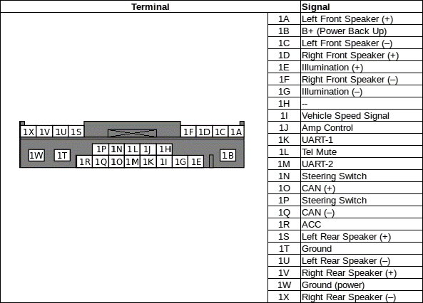

 |  |  |  |  | CONNECTOR ON ATOTO |  |  |  |  |  |  |  |  |  |  |  |  |  |  |  |  | MAZDA CONNECTOR

 |  |  |  |  |  |  |  |  |  |  |  |  |  |  |  |  |  |  |  |  |  |  |  |  |  |  |  |  |  |  |  |  | v
 |  |  |  |  |  |  |  |  |  |  |  |  |  |  |  |  |  |  |  |  |  |  |  |  |  |  |  |  |  |  |  |  | v
 |  |  |  |  |  |  |  |  |  |  |  |  |  |  |  |  |  |  |  |  |  |  |  |  |  |  |  |  |  |  |  |  | v
 |  |  |  |  |  |  |  |  |  |  |  |  |  |  |  |  |  |  |  |  |  |  |  |  |  |  |  |  |  |  |  |  | v
 |  |  |  |  |  |  |  |  |  |  |  |  |  |  |  |  |  |  |  |  |  |  |  |  |  |  |  |  |  |  |  |  | v |  |  |  |  |  |  |  |  |  |  |  |  |  |  |  | EXISTING PINS
 |  |  |  |  |  |  |  |  |  |  |  |  |  |  |  |  |  |  |  |  |  |  |  |  |  |  |  |  |  |  |  |  | v
ANTENNA AMPLIFIER
 |  |  |  |  |  |  |  |  |  |  |  |  |  |  |  |  |  |  |  |  |  |  |  |  |  |  |  |  |  |  |  |  |  |  |  |  |  |  |  |  |  |  |  |  |  |  |  |  | MISSING PINS |  |  | 1P |  | steering switch
 |  |  |  |  |  |  |  |  |  |  |  |  |  |  |  |  |  |  |  |  |  |  |  |  |  |  |  |  |  |  |  |  | v |  |  |  |  |  |  |  |  |  |  |  |  |  |  |  |  |  |  | 1N |  | steering switch
 |  |  |  |  |  |  |  |  |  |  |  |  |  |  |  |  |  |  |  |  |  |  |  |  |  |  |  |  |  |  |  |  |  |  |  |  |  |  |  |  |  |  |  |  |  |  |  |  |  |  |  | 1J |  | amp control
REVERSE GEAR
 |  |  |  |  |  |  |  |  |  |  |  |  |  |  |  |  |  |  |  |  |  |  |  |  |  |  |  |  |  |  |  |  | m
 |  |  |  |  |  |  |  |  |  |  |  |  |  |  |  |  |  |  |  |  |  |  |  |  |  |  |  |  |  |  |  |  |  |  |  |  |  |  |  |  |  |  |  |  |  |  |  |  | NEEDED FOR CAM? |  |  | 1K |  | reverse gear
PARKING BRAKE

 |  |  |  |  |  |  |  |  |  |  |  |  |  |  |  |  |  |  |  |  |  |  |  |  |  |  |  |  |  |  |  |  | m

 |  |  |  |  |  | CONNECTOR INTO ATOTO RADIO, FEMALE |  |  |  |  |  |  |  |  |  |  |  |  |  |  |  |  |  |  |  |  |  |  |  |  |  |  | m
 |  |  |  |  |  | FRONT VIEW
 |  |  |  |  |  | COLOR CODE AS USED ON ATOTO PROVIDED CABLES |  |  |  |  |  |  |  |  |  |  |  |  |  |  |  |  |  |  |  |  |  |  |  |  |  |  | v
 |  |  |  |  |  |  |  |  |  |  |  |  |  |  |  |  |  |  |  |  |  |  |  |  |  |  |  |  |  |  |  |  | v

 |  |  |  |  |  |  |  |  |  |  |  |  |  |  |  |  |  |  |  |  |  |  |  |  |  |  |  |  |  |  |  |  | v
 |  |  |  |  |  |  |  |  |  |  |  |  |  |  |  |  |  |  |  |  |  |  |  |  |  |  |  |  |  |  |  |  | v
 |  |  |  |  |  |  |  |  |  |  |  |  |  |  |  |  |  |  |  |  |  |  |  |  |  |  |  |  |  |  |  |  | v
 |  |  |  |  |  |  |  |  |  |  |  |  |  |  |  |  |  |  |  |  |  |  |  |  |  |  |  |  |  |  |  |  | v |  |  |  |  | CTAMPPASSTHROUGH
 |  |  |  |  |  |  |  |  |  |  |  |  |  |  |  |  |  |  |  |  |  |  |  |  |  |  |  |  |  |  |  |  |  |  |  |  |  | THIS IS THE ATTENUATOR USED IN THE AVC KIT
 |  |  |  |  |  |  |  |  |  |  |  |  |  |  |  |  |  |  |  |  |  | FRONT VIEW MAZDA CONNECTOR |  |  |  |  |  |  |  |  |  |  |  |  |  |  |  | (IT MIGHT BE A CONNECTS2 ARTICLE RELABELD OR CLONED)
 |  |  |  |  |  |  |  |  |  |  |  |  |  |  |  |  |  |  |  |  |  | MALE - TO BE PLUGGED INTO CAR CABLING

 |  |  |  |  |  |  |  |  |  |  |  |  | HIGH TO LOW CONVERTER |  |  |  |  |  |  |  |  |  |  |  |  |  |  |  |  |  |  |  |  |  |  |  |  |  | In +

 |  |  |  |  |  | 7 | PUR/BLK | spkr rear right | - |  |  |  |  | PUR/BLK |  |  | B2 - rear right - |  | PUR/BLK |  |  | PUR/BLK | 1X - rear right -
 |  |  |  |  |  | 8 | PUR | spkr rear right | + |  |  |  |  | PUR |  |  | B1 - rear right + |  | PUR |  |  | PUR | 1V - rear right + |  |  |  |  |  |  |  |  |  |  |  |  |  |  |  |  |  | R1
 |  |  |  |  |  | 9 | GRA/BLK | spkr front right | - |  |  |  |  | GRA/BLK |  |  | B4 - front right - |  | GRA/BLK |  |  | GRA/BLK | 1F - front right - |  |  |  |  |  |  |  |  |  |  |  |  |  |  |  |  |  | 100
 |  |  |  |  |  | 10 | GRA | spkr front right | + |  |  |  |  | GRA |  |  | B3 - front right + |  | GRA |  |  | GRA | 1D - front right + |  |  |  |  |  |  |  |  |  |  |  |  |  |  |  |  |  |  |  |  |  | Out +

 |  |  |  |  |  | 17 | GRN/BLK | spkr rear left | - |  |  |  |  | GRN/BLK |  |  | B8 - rear left - |  | GRN/BLK |  |  | GRN/BLK | 1U - rear left - |  |  |  |  |  |  |  |  |  |  |  |  |  |  |  |  |  |  |  | C
 |  |  |  |  |  | 18 | GRN | spkr rear left | + |  |  |  |  | GRN |  |  | B7 - rear left + |  | GRN |  |  | GRN | 1S - rear left + |  |  |  |  |  |  |  |  |  |  |  |  |  |  |  |  |  | R2 |  | 25V 10 uF
 |  |  |  |  |  | 19 | WHI/BLK | spkr rear right | - |  |  |  |  | WHI/BLK |  |  | B6 - front left - |  | WHI/BLK |  |  | WHI/BLK | 1C - front left - |  |  |  |  |  |  |  |  |  |  |  |  |  |  |  |  |  | 47
 |  |  |  |  |  | 20 | WHI | spkr rear right | + |  |  |  |  | WHI |  |  | B5 - front left + |  | WHI |  |  | WHI | 1A - front left + |  |  |  |  |  |  |  |  |  |  |  |  |  |  |  |  |  |  |  |  |  | Out -

 |  |  |  |  |  |  |  |  |  |  |  |  |  |  |  |  |  |  |  |  |  |  |  |  |  |  |  |  |  |  |  |  |  |  |  |  |  |  |  |  |  |  | C
 |  |  |  |  |  |  |  |  |  |  |  |  |  |  |  |  |  |  |  |  |  |  |  |  |  |  |  |  |  |  |  |  |  |  |  |  |  |  |  |  | R3 |  | 25V 10 uF
 |  |  |  |  |  |  |  |  |  |  |  |  |  |  |  |  |  |  |  |  |  |  |  |  |  |  |  |  |  |  |  |  |  |  |  |  |  |  |  |  | 100
 |  |  |  |  |  |  |  |  |  |  |  |  |  |  |  |  |  |  |  |  |  |  |  |  |  |  |  |  |  |  |  |  |  |  |  |  |  |  | In -

 |  |  |  |  |  | 1 | ORA | illumination | + |  |  |  |  |  |  |  |  |  |  |  |  | ORA | 1E - illumination (+)

 |  |  |  |  |  | 2 | BRWN/BLK | steering wheel key# | + |  |  | nc |  |  |  |  |  |  |  |  |  |  |  |  |  |  |  |  |  |  |  |  |  |  |  |  |  |  | R1 = R3 = 120 ohm | R2 = 33 |  |  |  | 33:273 |  | 12%
 |  |  |  |  |  |  |  |  |  |  |  |  |  |  |  |  |  |  |  |  |  |  |  |  |  |  |  |  |  |  |  |  |  |  |  |  |  |  |  | R2 = 39 |  |  |  | 39:279 |  | 14% | DECREASE R2 TO DECREASE VOLUME |  |  |  |  |  |  |  |  |  | SOFTER
 |  |  |  |  |  | 3 | BRWN | parking brake | - |  |  | only connect if required |  |  |  |  |  |  |  |  |  | LGRN | 1M - parking brake |  |  |  |  |  |  |  |  |  |  |  |  |  |  |  |  | R2 = 47 |  |  |  | 47:267 |  | 17%
 |  |  |  |  |  |  |  |  |  |  |  |  |  |  |  |  |  |  |  |  |  |  |  |  |  |  |  |  |  |  |  |  |  |  |  |  |  |  | R1 = R3 = 100 ohm | R2 = 47 |  |  |  | 47:247 |  | 19% | ORIGINAL CTAMPPASSTHROUGH |  |  |  |  |  | 4 mA |  | 0.5 W |  | DEFAULT
 |  |  |  |  |  | 4 | open | not in use |  |  |  |  |  |  |  |  |  |  |  |  |  |  |  |  |  |  |  |  |  |  |  |  |  |  |  |  |  |  |  | R2 = 68 |  |  |  | 68:268 |  | 25%
 |  |  |  |  |  |  |  |  |  |  |  |  |  |  |  |  |  |  |  |  |  |  |  |  |  |  |  |  |  |  |  |  |  |  |  |  |  |  |  | R2 = 100 |  |  |  | 100:300 |  | 33% | INCREASE R2 TO INCREASE VOLUME |  |  |  |  |  |  |  |  |  | LOUDER
 |  |  |  |  |  | 5 | BLU | power antenna | + |  |  |  |  |  |  |  |  |  |  |  |  | BLU | 1H - antenna amplifier |  |  |  |  |  |  |  |  |  |  |  |  |  |  |  | R1 = R3 = 82 ohm | R2 = 100 |  |  |  | 100:262 |  | 38%
 |  |  |  |  |  |  |  |  |  |  |  |  |  |  |  |  |  |  |  |  |  |  |  |  |  |  |  |  |  |  |  |  |  |  |  |  |  |  |  | R2 = 120 |  |  |  | 120:284 |  | 42%
 |  |  |  |  |  | 6 | BLU/WHI | amplifier on | + |  |  |  |  |  |  |  |  |  |  |  |  | BLU/WHI | 1J - amplifier control |  |  |  |  |  |  |  |  |  |  |  |  |  |  |  |  | R2 = 150 |  |  |  | 150:323 |  | 46%

 |  |  |  |  |  | 11 | RED | accessorie/ignition | + |  |  |  |  |  |  |  |  |  |  |  |  | RED | 1R - accessories

 |  |  |  |  |  | 12 | ORA/BLK | steering wheel key | + |  |  |  |  |  |  |  |  |  |  |  |  | GRA | 1N - steering switch
...

Wiring Examples
NC MIATA WITH BOSE TO SONY HEAD UNIT | NC MIATA WITH BOSE TO KENWOOD HEAD UNIT
https://drive.google.com/file/d/1BotzYELbHTwnDE7EWd93TyUE0FMWdQXV/view
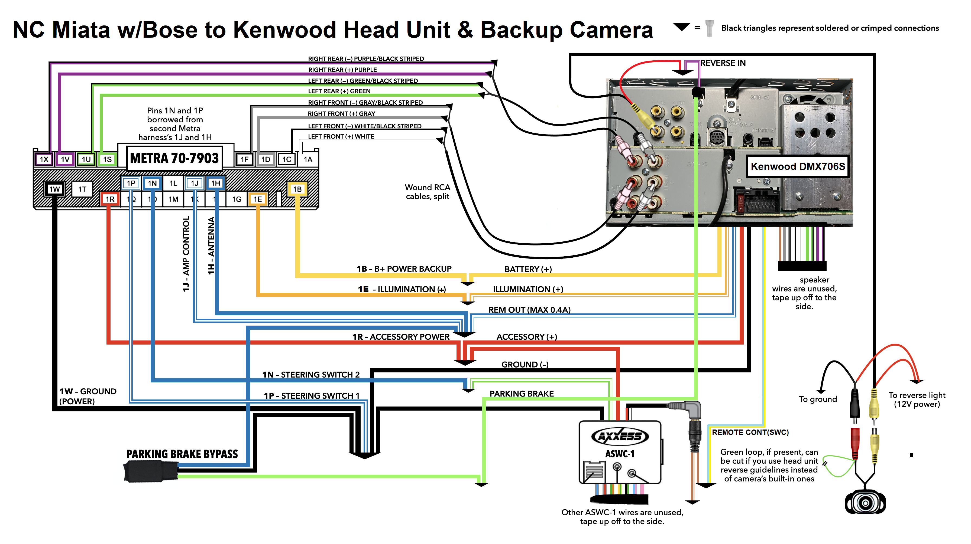
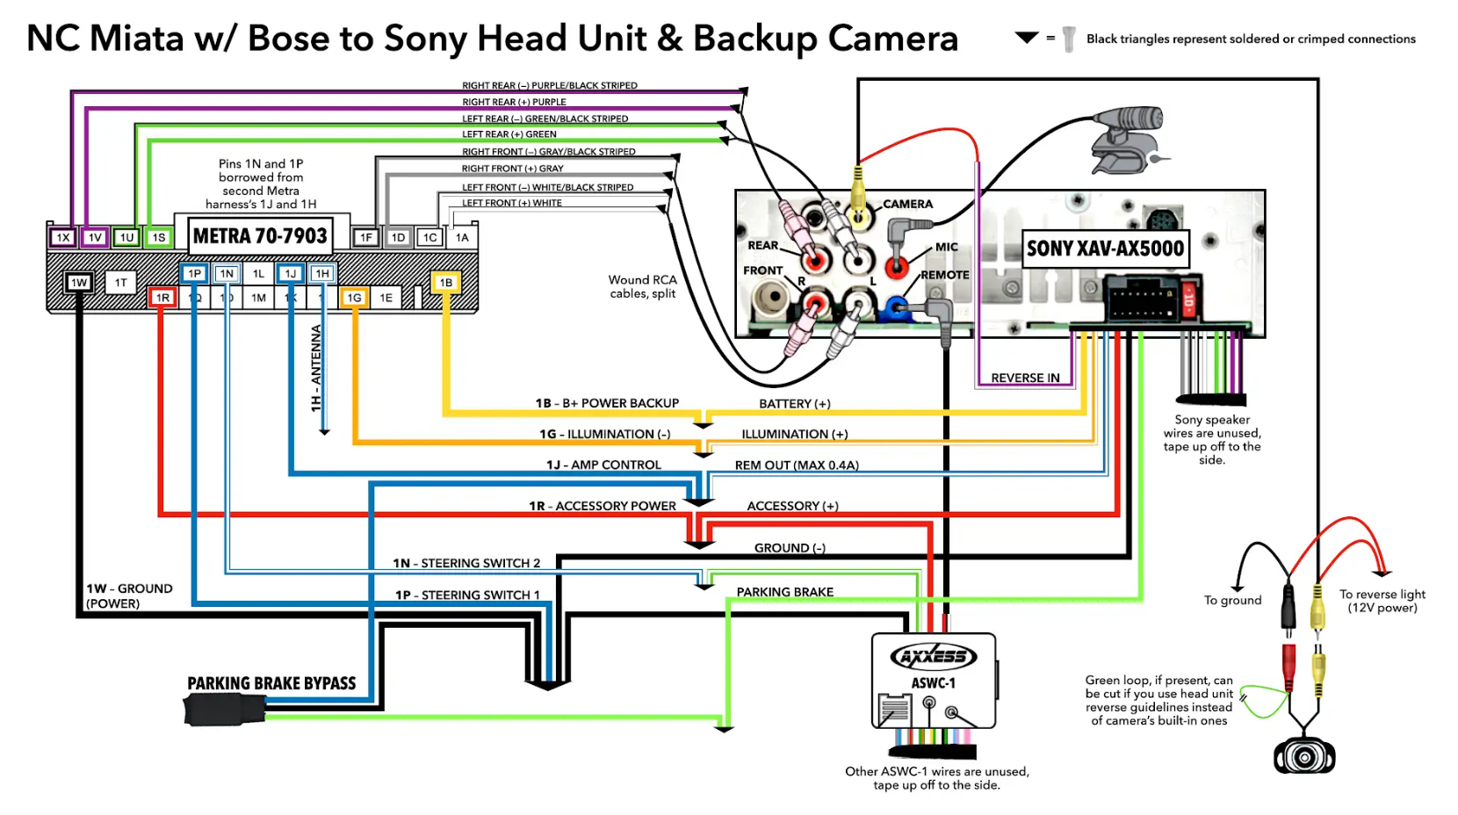

NOTES
1. ALL HARNASSES I HAVE USE 1E INSTEAD OF 1G FOR ILLUMINATION
2. ACTUAL COLORS DIFFER PER BRAND AND SERIES

